Sheet1
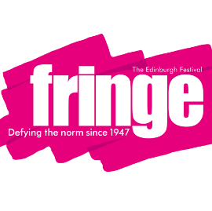
 |  | ACCESS FRINGE: YOUNG PEOPLE 2015

 | Please complete the form for each show you have taking part in the ticketing project for looked after children and young people.
 | Show Name | Venue | Dates | Total Number of Dates | Times | Total Number of Times | Number of tickets available per performance | Ticket Value | How to book | Age restrictions | Overall Value of Tickets
EG. | The Taming of the Hamlet | Fringe Central | 7th, 14th, 23rd, 24th, 25th, | 5 | 14:45:00 | 1 | 4 | £6 | At the venue box office or by phoning 0131 223 2244 10am-4pm using the password NIGEL | Suitable for anyone over 14 | £120
 |  |  |  | 0 |  |  |  |  |  |  | £0
 |  |  |  | 0 |  |  |  |  |  |  | £0
 |  |  |  | 0 |  |  |  |  |  |  | £0

